(L1+L2) Proper Understanding
 | REGULARIZATION (RIDGE(L2) +LASSO(L1)) = ELASTIC NET REGULARIZATION 's CONCEPT UNDERSTANDING WHY LASSO HAVE MORE (0) FEATURES COMPARED TO RIDGE REGULARIZATION BY ILLUSTRATIVE DIAGRAM & CONCEPT FROM UDEMY | REFERENCE

 |  | ⇰REFERENCE (Website)-->Udemy Regarding Thereotical & Practical Implementation of Regularization & Why LASSO Have More 0 Features

 |  | ⇰REFERENCE (Website)-->Stack Exchange Regarding Graphical Interpretation of LASSO Regression & Why it Turn Coefficient Zero When lasso produce zero coefficient in case of intersecting a corner of the Diamond (LASSO Regression)
❶ | 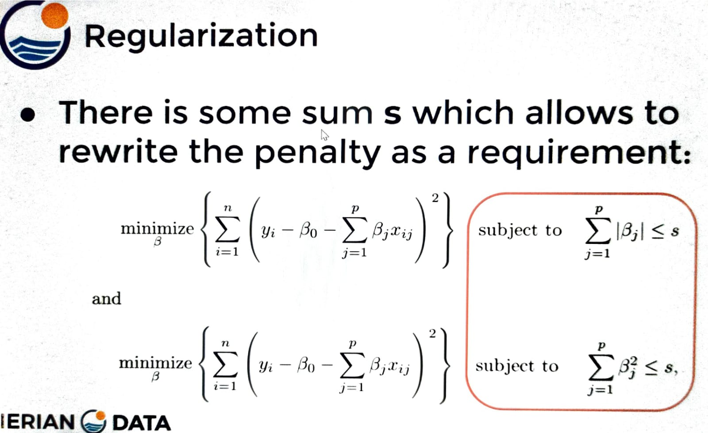

 | ⇰Essentially, if we take a closer look at this condition that we're subject to, we can derive that there is some sum (s) which allows us to rewrite the penalty as a subject to requirement of residual sum of squares.So essentially for lasso we can say minimize residual sum of squares subject the sum of the absolute values being less than or equal to (s) and obviously (s) is going to change depending on the set of features you're working with. ⇰And then same thing for Ridge regression on the bottom, there is residual sum of squared errors that you're trying to minimize.However you're subject to these squared, the beta coefficients being less than or equal to some sum.

❷

 |  | ⇰REFERENCE (Website)-->Udemy Regarding Thereotical & Practical Implementation of Regularization & Why LASSO Have More 0 Features

 |  | ⇰REFERENCE (Website)-->Stack Exchange Regarding Graphical Interpretation of LASSO Regression & Why it Turn Coefficient Zero When lasso produce zero coefficient in case of intersecting a corner of the Diamond (LASSO Regression)

 | ⇰So that means for L1 is going to constrain the sum of absolute values.An L2 is going to constrain the sum of the squared values & specifically, you mentioned for some set of features, there's going to be some (s) that the penalty is less.

❸ | 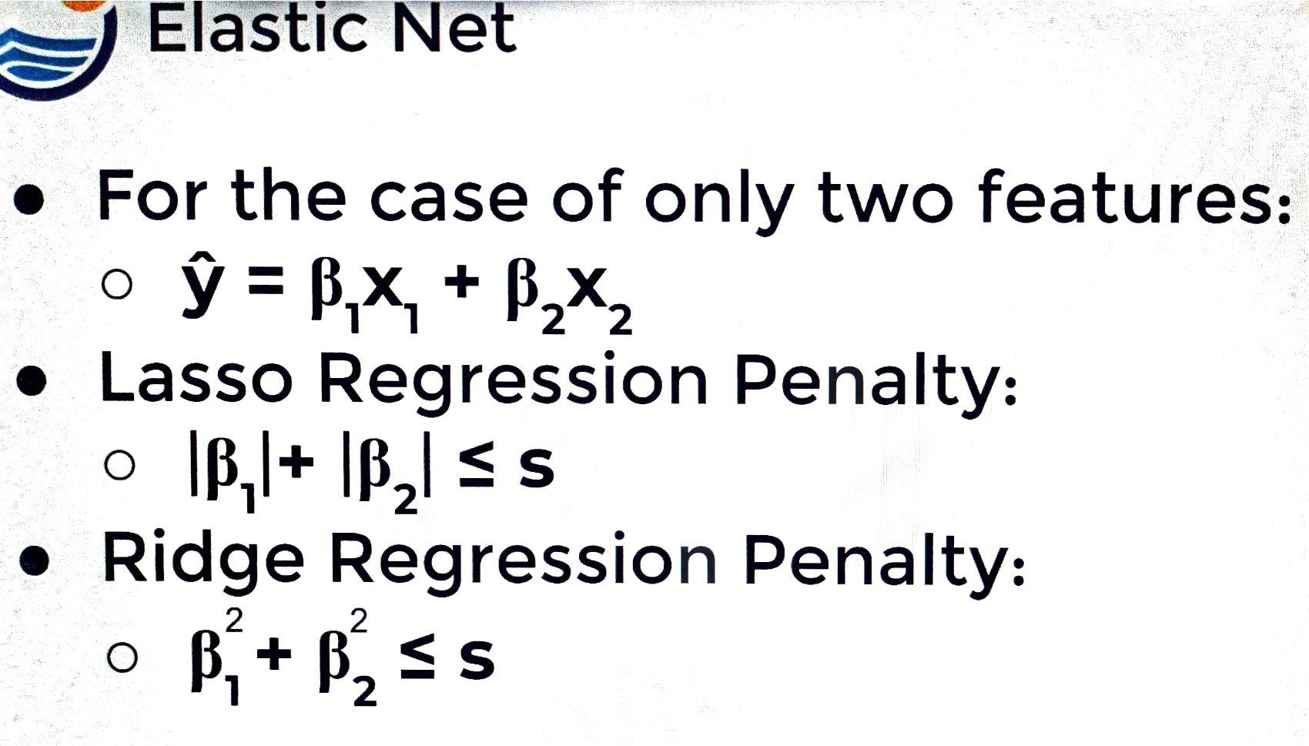

 | ⇰In the case of lasso regression for some set of features, the case of lasso regression means you're going to minimize risks subject to the absolute value of beta one (β1), plus the absolute value of beta two (β2) being less than or equal to some value. ⇰You're going to minimize residual sum of squares however you're subject to your beta one squared plus your beta two squared being less than or equal to some value (s).So what would this actually look like for the subject to term if you're plotting it out?

❹ | 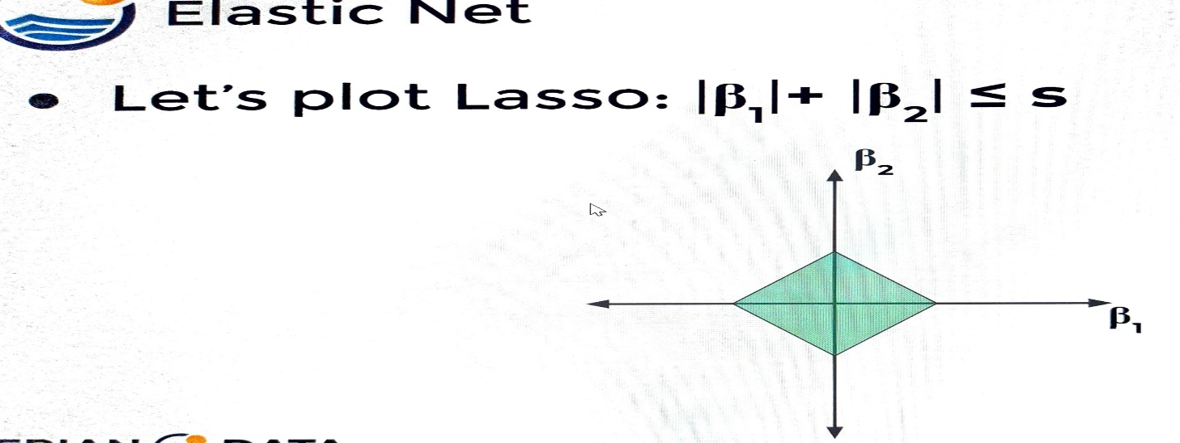

 | ⇰For the case of LASSO, it ends up being this diamond shape and that's going to also expand into different dimensions as well.You'll get these higher level square like geometries just in higher dimensions 3D Or 4D. | ⇰REFERENCE (Website)-->Udemy Regarding Thereotical & Practical Implementation of Regularization & Why LASSO Have More 0 Features

❺ | 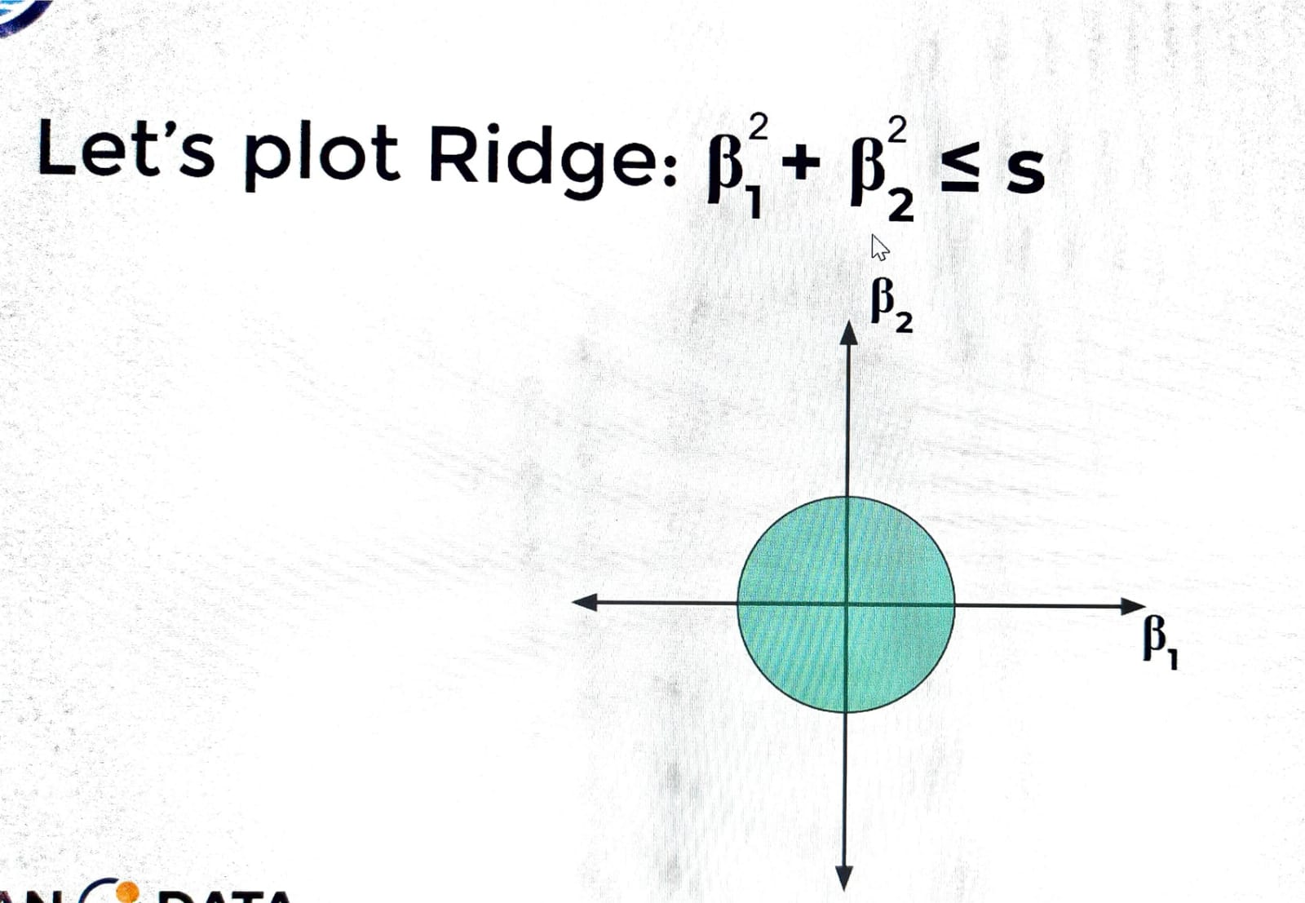

 |  | ⇰REFERENCE (Website)-->Stack Exchange Regarding Graphical Interpretation of LASSO Regression & Why it Turn Coefficient Zero When lasso produce zero coefficient in case of intersecting a corner of the Diamond (LASSO Regression)

 | ⇰Now for ridge regression.If we're saying we're going to reduce or minimize risks subject to the penalty of beta one (β1)² squared plus beta two squared (β2)² being less than or equal to some (s) value, then that's going to look like when we plot (β2)²beta two versus (β1)² beta one like a circle. ⇰So essentially we have a circle when we're dealing with two features & you can imagine you have a sphere for (3D) Three Dimension and then they're called hyper spheres for higher and higher dimensions (4D) Or (5D) & of course for a different set of features. ⇰Maybe your's region is larger, but the main idea being here that there is some (s) that your beta squared coefficients (β1)² & (β2)² has to be less than or equal & in the case of two dimensions (2D) or two beta coefficients (β1)² & (β2)² , this is going to look like a circle.

❻ |  | ⇰REFERENCE (Website)-->Udemy Regarding Thereotical & Practical Implementation of Regularization & Why LASSO Have More 0 Features

 |  | ⇰REFERENCE (Website)-->Stack Exchange Regarding Graphical Interpretation of LASSO Regression & Why it Turn Coefficient Zero When lasso produce zero coefficient in case of intersecting a corner of the Diamond (LASSO Regression)
 | ⇰So what's going to happen is for ridge regression, as you're trying to solve for the correct beta coefficients (β1)² ,(β2)² & you're being regularized based off the subject to this penalty. So for ridge regression, basically this has to come down & end up making some sort of tangent contact with that circle or sphere for higher dimensions (RSS).

❼ | 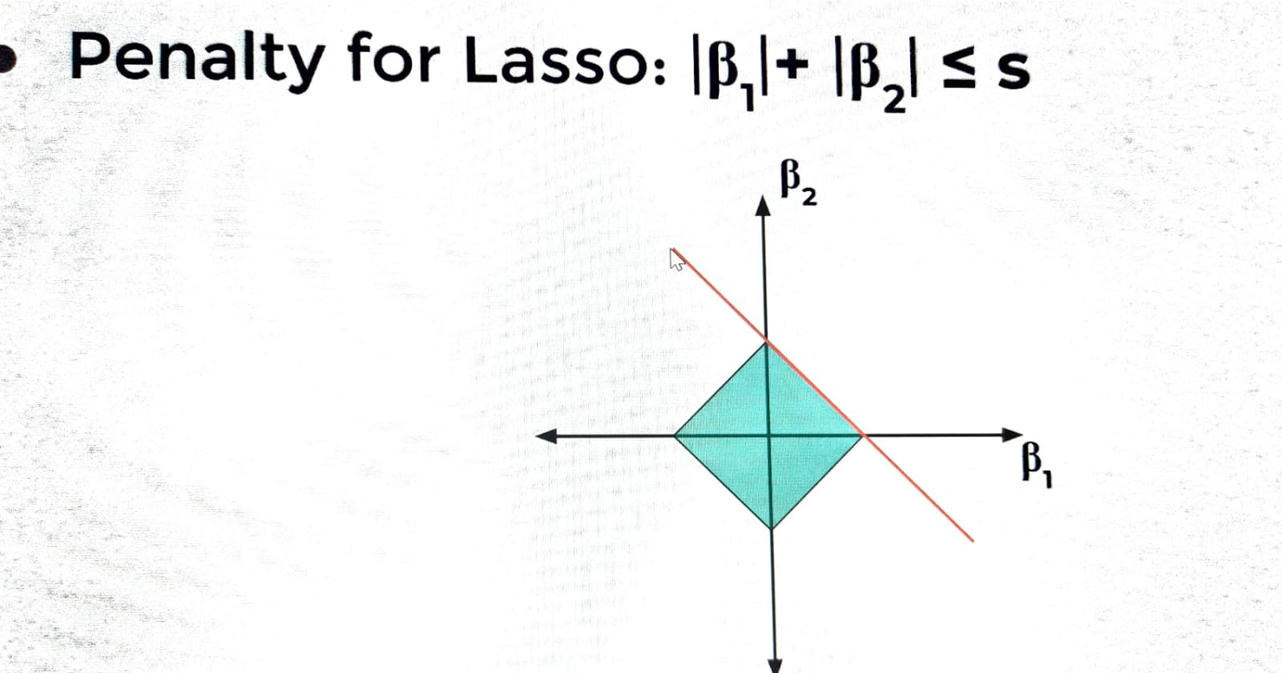

 | ⇰Why Lasso Regression have More 0 Features ? ❶For lasso, you're going to end up making contact with that diamond shape & know the difference of what's happening here. ❷This convex object that lies tangent to the boundary is likely to encounter a corner of a hypercube & we say hypercube, but in two dimensions. ❸So again, that convex object that is trying to solve that residual sum of squares (RSS) that lies tangent to the boundary that's going to encounter the corner of the hypercube.So essentially what we're saying here is just geometrically speaking as you're minimizing residual sum of squares (RSS) & you're subject to that lasso penalty because it's in the shape of a hypercube, you're highly likely to encounter a corner & recall the corner of the cube. ❹In this case, the corner of the squares for two dimensions means one of the coefficients on that corner is going to be zero, just by definition of how this is centered.So again, to make it clear from a geometry perspective for Lasso, we're dealing with hyper cubes & in the simplest case, we're going to have just two features here to make that square & it's highly likely if you come into contact with something in the shape of a square, that you're going to hit one of those corners, meaning one of those coefficients is going to be zero.This is why lasso is likely to lead to coefficients going all the way to zero. | ⇰REFERENCE (Website)-->Udemy Regarding Thereotical & Practical Implementation of Regularization & Why LASSO Have More 0 Features

 |  | ⇰REFERENCE (Website)-->Stack Exchange Regarding Graphical Interpretation of LASSO Regression & Why it Turn Coefficient Zero When lasso produce zero coefficient in case of intersecting a corner of the Diamond (LASSO Regression)

